写真
測定場所 | 飯館村深谷字市沢地内

No.1 |  | No.2 | No.3

No.4 |  | No.5 | No.6

No.7 |  | No.8 | No.9

No.10 |  | No.11 | No.12

No.13 |  | No.14 | No.15

測定場所 | 飯館村深谷字市沢地内

No.16 |  | No.17 | No.18

No.19 |  | No.20 | No.21

No.22 |  | No.23 | No.24

No.25 |  | No.26 | No.27

No.28 |  | No.29 | No.30

測定場所 | 飯館村深谷字市沢地内

No.31 |  | No.32 | No.33

No.34 |  | No.35 | No.36

No.37 |  | No.38 | No.39

No.40 |  | No.41 | No.42

No.43 |  | No.44 | No.45

測定場所 | 飯館村深谷字市沢地内

No.46 |  | No.47 | No.48

No.49 |  | No.50 | No.51

No.52 |  | No.53 | No.54

No.55 |  | No.56 | No.57

No.58 |  | No.59 | No.60

測定場所 | 飯館村深谷字市沢地内

No.61 |  | No.62 | No.63

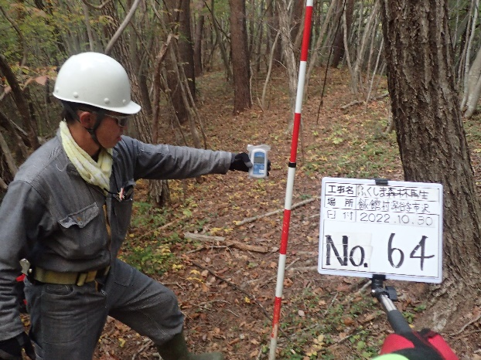

No.64 |  | No.65 | No.66

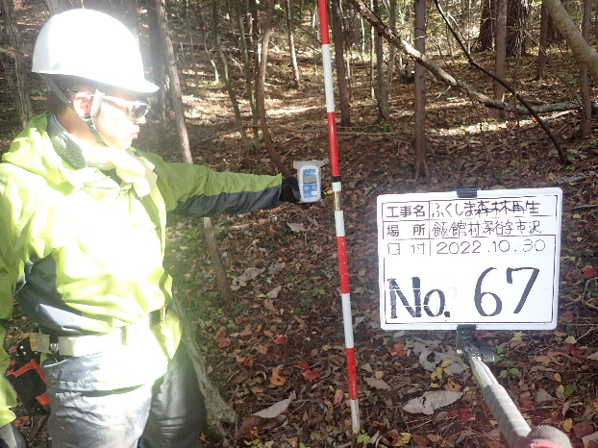
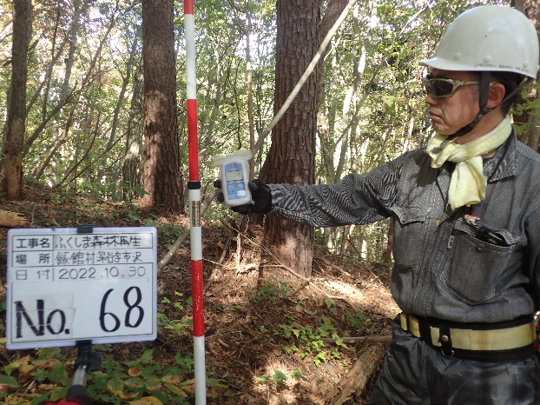
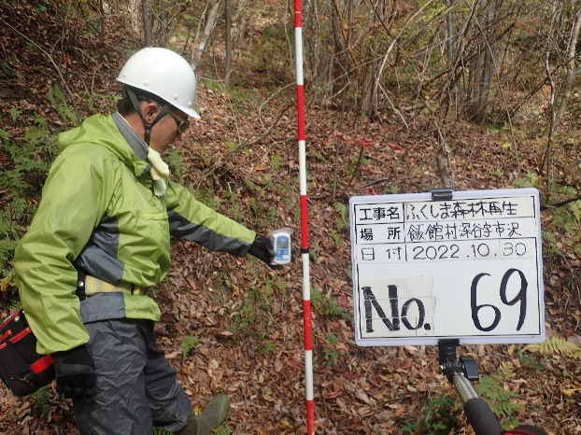

No.67 |  | No.68 | No.69

No.70 |  | No.71 | No.72

No.73 |  | No.74 | No.75

 | 飯館村深谷字市沢地内

No.76 |  | No.77 | No.78

No.79 |  | No.80 | No.81

No.82 |  | No.83 | No.84

No.85 |  | No.86 | No.87

No.88 |  | No.89 | No.90

 | 飯館村深谷字市沢地内

No.91 |  | No.92 | No.93

No.94 |  | No.95 | No.96

No.97 |  | No.98 | No.99

No.100 |  | No.101 | No.102

No.103 |  | No.104 | No.105

 | 飯館村深谷字市沢地内

No.106 |  | No.107 | No.108

No.109 |  | No.110 | No.111

No.112 |  | No.113 | No.114

No.115 |  | No.116 | No.117

No.118 |  | No.119 | No.120

 | 飯館村深谷字市沢地内

No.121 |  | No.122 | No.123

No.124 |  | No.125 | No.126

No.127 |  | No.128 | No.129

No.130 |  | No.131 | No.132

No.133 |  | No.134 | No.135

No.136 |  | No.137 | No.138

No.3 |  | No.19 | No.49

